Defect Report
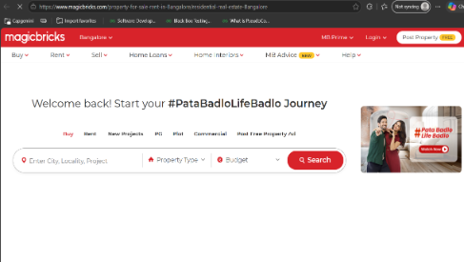
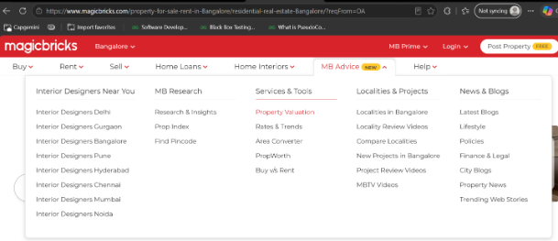
Defect Id. | Defect Id. | Defect Id. | Defect Id. | Defect Id. | Defect Id.
DF_MBAdvice_01 | Property Valuation | Property Valuation link redirects to the MagicBricks home page instead of opening the Property Valuation/property search page. | High | abc@capgemini.com | New

